power-latency-area
Programming Power vs. N
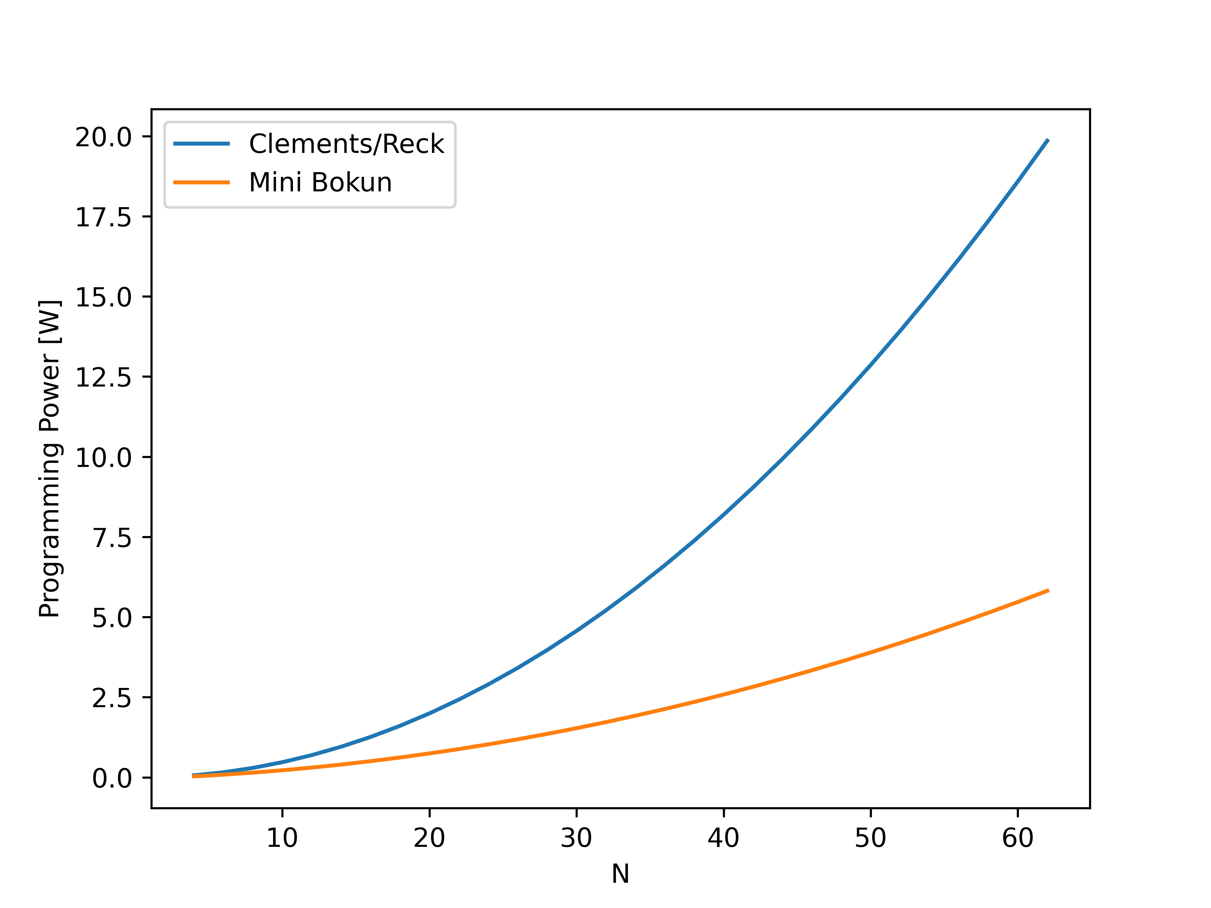
 |  |  |  | 8x8 | 16x16
 | memory | DRAM | 64 KB | 8k inputs | 4k inputs
 |  | SRAM | 16 KB | 571 matrices | 130 matrices |  |  |  |  |  |  |  |  |  |  |  |  |  |  |  | N=8, beta=1.2, PT | N=8, beta=1.2, LPU
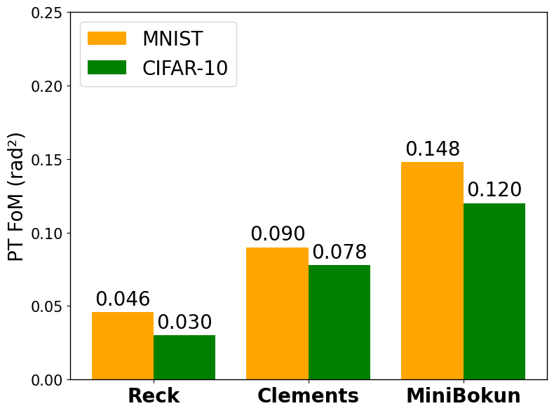
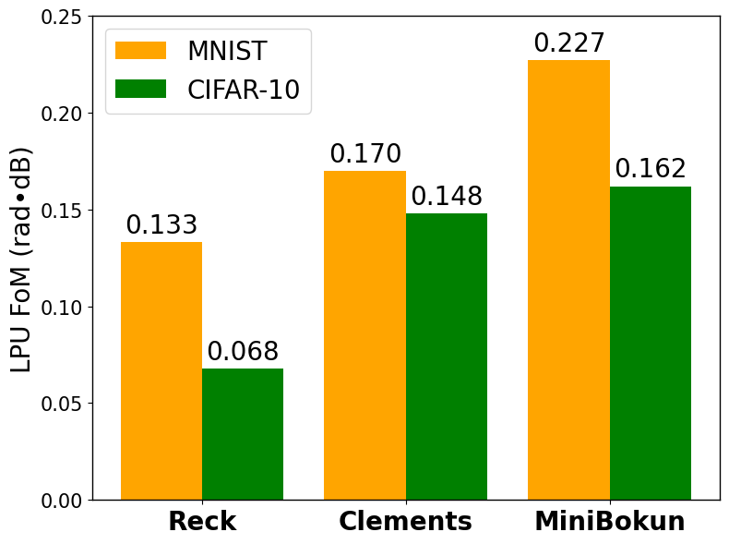

Programming | power = (# MZIs / 2)*P_pi
Assuming uniformly distributed weight
 | P_pi | 21 mW
 | N | 8 | 16 | 32 | 64 | 128
 | Clements/Reck | 294 | 1260 | 5208 | 21168 | 85344
 | Mini Bokun | 147 | 504 | 1722 | 6174 | 23142

 | P_pi | 1.42 mW
 | N | 8 | 16 | 32 | 64 | 128
 | Clements/Reck | 19.88 | 85.2 | 352.16 | 1431.36 | 5770.88
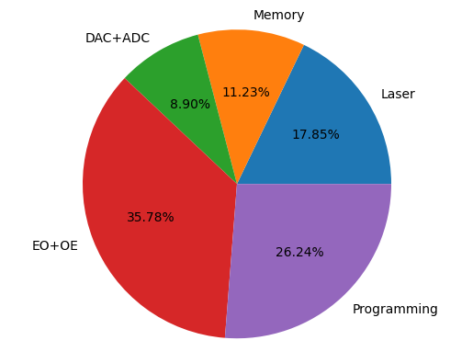
 | Mini Bokun | 9.94 | 34.08 | 116.44 | 417.48 | 1564.84

 |  |  |  |  |  |  |  |  |  |  |  |  |  |  |  |  |  |  |  |  | N=16, beta=1.2, LPU | N=16, beta=1.2, LPU
Power [mW]
N | Topology | P_laser | P_memory | P_DAC |  | P_ip modulation | P_programming |  | P_PD+TIA | P_comp +ADC | Total Power [mW]
 |  |  |  | Fast | Low-power |  | w/o insulation | w/ insulation |  |  | Min | Max
8 | Clements | 100 | 62.89 | 81 | 22.68 | 0.4 | 294 | 19.88 | 200 | 0.325 | 406.2 | 738.6 |  |  | 0.39804228184
 | Reck | 100 | 62.89 | 81 | 22.68 | 0.4 | 294 | 19.88 | 200 | 0.325 | 406.2 | 738.6 |  |  | 0.39804228184
 | Mini Bokun | 100 | 62.89 | 49.5 | 13.86 | 0.4 | 147 | 9.94 | 200 | 0.325 | 387.4 | 560.1 | 0.046186988367 | 0.24166852826 | 0.26244610482
16 | Clements | 100 | 62.89 | 306 | 85.68 | 0.8 | 1260 | 85.2 | 200 | 0.325 | 534.9 | 1930.0 |  |  | 0.65284466701
 | Reck | 100 | 62.89 | 306 | 85.68 | 0.8 | 1260 | 85.2 | 200 | 0.325 | 534.9 | 1930.0 |  |  | 0.65284466701
 | Mini Bokun | 100 | 62.89 | 144 | 40.32 | 0.8 | 504 | 34.08 | 200 | 0.325 | 438.4 | 1012.0 | 0.18037184868 | 0.47564397168 | 0.49801633375

Latency [us]
N | Topology | L_memory |  | L_DAC |  | L_ip modulation | L_programming |  | L_MZI | L_PD+TIA | L_comp +ADC | Total Latency [us] |  |  |  |  | c0 | 3.00E+08
 |  | DRAM | SRAM | Fast | Low-power |  | w/o insulation | w/ insulation |  |  |  | Min | Max |  |  |  | n_eff | 2.8
8 | Clements | 0.005 | 0.022 | 0.010 | 3 | 0.003 | 30 | 151 | 2.24E-05 | 0.0001 | 0.075 | 30.1 | 154.1 |  |  |  | V_g | 1.07E+08
 | Reck | 0.005 | 0.022 | 0.010 | 3 | 0.003 | 30 | 151 | 3.64E-05 | 0.0001 | 0.075 | 30.1 | 154.1 |  |  |  | L per MZI | 2.80E-06
 | Mini Bokun | 0.005 | 0.011 | 0.010 | 3 | 0.003 | 30 | 151 | 1.40E-05 | 0.0001 | 0.075 | 30.1 | 154.1 | 0.99681279078
16 | Clements | 0.009 | 0.093 | 0.010 | 3 | 0.003 | 30 | 151 | 4.48E-05 | 0.0001 | 0.075 | 30.2 | 154.2
 | Reck | 0.009 | 0.093 | 0.010 | 3 | 0.003 | 30 | 151 | 8.12E-05 | 0.0001 | 0.075 | 30.2 | 154.2
 | Mini Bokun | 0.009 | 0.037 | 0.010 | 3 | 0.003 | 30 | 151 | 2.52E-05 | 0.0001 | 0.075 | 30.1 | 154.1

Area [mm^2] |  |  |  |  |  |  |  |  |  | 5.56E-02

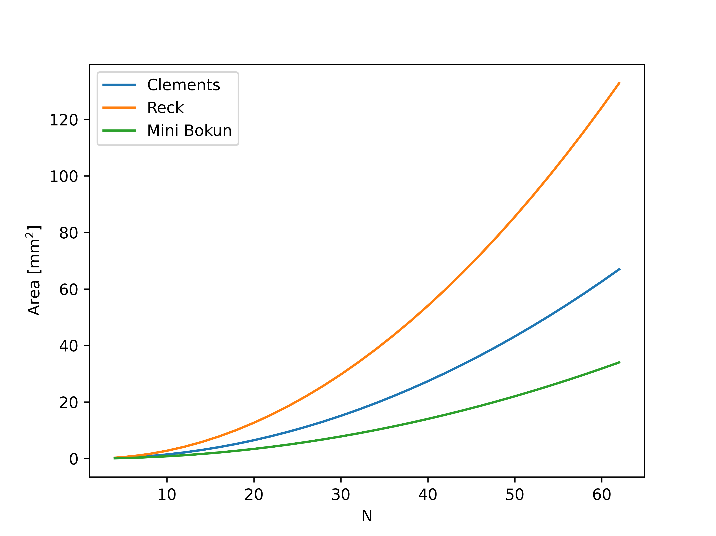
N | Topology | # DC | # PS | Area [mm^2] |  |  |  |  |  |  |  |  |  |  |  |  |  | um | um | um^2
 |  |  |  |  |  | Equation (coeff) |  |  |  |  |  |  |  |  |  |  | Component | Length | Width | Area
8 | Clements | 56 | 56 | 1.008 |  | N^2-2N |  |  |  |  |  |  |  |  |  |  | 3dB coupler | 54.4 | 40.3 | 2192.32
 | Reck | 56 | 56 | 1.638 |  | 2N^2-5N+3 |  |  |  |  |  |  |  |  |  |  | PS | 60.16 | 0.5 | 30.08
 | Mini Bokun | 28 | 28 | 0.630 |  | 0.5N^2-0.5N-1 |  |  |  |  |  |  |  |  |  |  | combiner | 20 | 3.65 | 73
 | OFFT | 12 | 32 | 0.241 |  | (they are not for trigger structure) |  |  |  |  |  |  |  |  |  |  | Crossing | 5.9 | 5.9 | 34.81
16 | Clements | 240 | 240 | 4.32
 | Reck | 240 | 240 | 7.83
 | Mini Bokun | 96 | 96 | 2.43 | 0.6 |  |  |  |  |  |  |  |  |  |  | ours | MZI | 300 | 60
 |  |  |  |  |  | OFFT considers only up to 8 |  |  |  |  |  |  |  |  |  |  | PS | 135
4 | Clements | 12 | 12 | 0.216 |  |  |  |  |  |  |  |  |  |  |  |  | 3dB coupler | 9.13
 | Reck | 12 | 12 | 0.270
 | Mini Bokun | 6 | 6 | 0.162
 | OFFT | 4 | 12 | 0.076
64 | Clements | 4032 | 4032 | 72.576
 | Reck | 12 | 12 | 141.750
 | Mini Bokun | 1176 | 6 | 37.422 | 0.736 | 0.484375
 | OFFT | 192 | 448 | 0.000

Final Table

N | Topology | Total Power [mW] |  | Total Latency [us] |  | Area [mm^2]
 |  | Aggressive | Conservative | Aggressive | Conservative
8 | Clements | 406.2 | 738.6 | 154.1 | 30.1 | 1.0
 | Reck | 406.2 | 738.6 | 154.1 | 30.1 | 1.6
 | Mini Bokun | 387.4 | 560.1 | 154.1 | 30.1 | 0.6
16 | Clements | 534.9 | 1930.0 | 154.2 | 30.2 | 4.3
 | Reck | 534.9 | 1930.0 | 154.2 | 30.2 | 7.8
 | Mini Bokun | 438.4 | 1012.0 | 154.1 | 30.1 | 2.4

N | Topology | Aggressive |  | Conservative |  | Area [mm^2]
 |  | Power [mW] | Latency [us] | Power [mW] | Latency [us]
8 | Clements | 406.2 | 154.1 | 738.6 | 30.1 | 1.0
 | Reck | 406.2 | 154.1 | 738.6 | 30.1 | 1.6
 | Mini Bokun | 387.4 | 154.1 | 560.1 | 30.1 | 0.6
16 | Clements | 534.9 | 154.2 | 1930.0 | 30.2 | 4.3
 | Reck | 534.9 | 154.2 | 1930.0 | 30.2 | 7.8
 | Mini Bokun | 438.4 | 154.1 | 1012.0 | 30.1 | 2.4

